Measuring guide
 | Measuring Guide

Use this guide to measure your swatch accurately and fill in the required information. Then move on to the sheet that corresponds to your query. Keep in mind that blocking your swatch will increase the chances of more accurate results.
 |  |  |  |  |  | Converter
 |  |  |  |  |  |  | in | = | 0 | cm
 |  |  |  |  |  |  | cm | = | 0 | in
 |  | About a single wedge (use the unit converter to get cm if necessary):
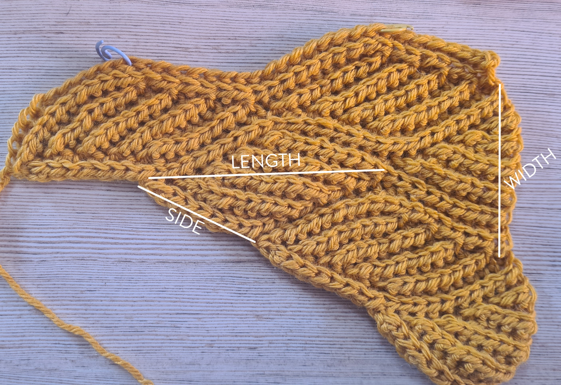
a) length
c) side
b) width

 |  | a) length |  | cm
 |  | b) width |  | cm
 |  | c) side |  | cm

 |  | About your swatch:
 |  |  |  |  | If your swatch is larger than 6 sections, count the number of wedges that you have made and change it here. Remember to count half wedges as such.
 |  | swatch size | 10.5 | wedges

 |  | sample weight |  | g | Weigh your dry swatch as accurately as possible.

